AreaCoverage
* User ONLY need to chage cell values highlighted in YELLOW.

Estimate Area Covered
* Single Grid Pattern, first line 30% Not included but turning sections assumed to be fully utilized.
30% OP
70% New
First Line 30%
Swath

Assumptions
 | FOV Gate | 90 | degree
 | AGL | 120 | meter
 | Speed | 8 | meter/second
 | Overlap | 20% | percent
 | Flight Time | 30 | minute
Area Coveraged
 | 2,764,800 | m2
 | 276 | hectare
 | 683 | acre

Typical Flight
FOV Gate | 70 | degree
Overlap | 35%
Flight Time | 30 | minutes
AGL (m)/Speed(m/s) | 5 | 10 | 15 | 20
30 | 61 | 121 | 182 | 243
40 | 81 | 162 | 243 | 324
50 | 101 | 202 | 304 | 405
60 | 121 | 243 | 364 | 486
70 | 142 | 283 | 425 | 567
80 | 162 | 324 | 486 | 648
90 | 182 | 364 | 547 | 729
100 | 202 | 405 | 607 | 810
110 | 223 | 445 | 668 | 891
120 | 243 | 486 | 729 | 972
130 | 263 | 526 | 790 | 1,053
140 | 283 | 567 | 850 | 1,134
150 | 304 | 607 | 911 | 1,215
160 | 324 | 648 | 972 | 1,296
170 | 344 | 688 | 1,032 | 1,377
180 | 364 | 729 | 1,093 | 1,458
190 | 385 | 769 | 1,154 | 1,539
200 | 405 | 810 | 1,215 | 1,620

NPD
* User ONLY need to chage cell values highlighted in YELLOW.

Estimate Estimated Point Density
* Single Path, Single Return, assuming NO loss.
* Actual NPD is expected to be less than calculated due to environmental factors.
NPD = f(PRF, FOV-l, FOV-g, AGL, Speed)

NPD by Speed (m/s) and AGL (m), 600kHz PRF
NPD by AGL & Speed, Single-Path, 1-Return
NPD est. | XT32 | E1-600khz | E1-400khz
Pulse Rate (pulse/s) | 640,000 | 600,000 | 400,000
Full FOV-H (degree) | 360 | 90 | 90
FOV Processing Gate (degree) | 90 | 60 | 60
FOV Utilization (%) | 25% | 67% | 67%
Pulse/Channel Effective Utilization (%) ** | 100% | 100% | 100%

Test (1sec)
AGL (m) | 100 | 100 | 100
Speed (m/s) | 5 | 5 | 5
Simulation Duration (Seconds) | 10 | 10 | 10
Distrance of Travle (m) | 50 | 105 | 105
Swath Width (m) | 200 | 115 | 115
Area Covered (m2) | 10,000 | 12,179 | 12,179
Pulses, Effective | 1,600,000 | 4,000,000 | 2,666,667
NPD, averaged (p/m2) | 160 | 328 | 219

 | Speed (m/s)
 | AGL (m) | 5 | 10 | 15 | 20 | 25 | 30 | 35 | 40 | 45 | 50
 | 10 | 1,600 | 800 | 533 | 400 | 320 | 267 | 229 | 200 | 178 | 160
 | 15 | 1,067 | 533 | 356 | 267 | 213 | 178 | 152 | 133 | 119 | 107
 | 20 | 800 | 400 | 267 | 200 | 160 | 133 | 114 | 100 | 89 | 80
 | 25 | 640 | 320 | 213 | 160 | 128 | 107 | 91 | 80 | 71 | 64
 | 30 | 533 | 267 | 178 | 133 | 107 | 89 | 76 | 67 | 59 | 53
 | 35 | 457 | 229 | 152 | 114 | 91 | 76 | 65 | 57 | 51 | 46
 | 40 | 400 | 200 | 133 | 100 | 80 | 67 | 57 | 50 | 44 | 40
 | 45 | 356 | 178 | 119 | 89 | 71 | 59 | 51 | 44 | 40 | 36
 | 50 | 320 | 160 | 107 | 80 | 64 | 53 | 46 | 40 | 36 | 32
 | 55 | 291 | 145 | 97 | 73 | 58 | 48 | 42 | 36 | 32 | 29
 | 60 | 267 | 133 | 89 | 67 | 53 | 44 | 38 | 33 | 30 | 27
 | 65 | 246 | 123 | 82 | 62 | 49 | 41 | 35 | 31 | 27 | 25
 | 70 | 229 | 114 | 76 | 57 | 46 | 38 | 33 | 29 | 25 | 23
 | 75 | 213 | 107 | 71 | 53 | 43 | 36 | 30 | 27 | 24 | 21
 | 80 | 200 | 100 | 67 | 50 | 40 | 33 | 29 | 25 | 22 | 20
 | 85 | 188 | 94 | 63 | 47 | 38 | 31 | 27 | 24 | 21 | 19
 | 90 | 178 | 89 | 59 | 44 | 36 | 30 | 25 | 22 | 20 | 18
 | 95 | 168 | 84 | 56 | 42 | 34 | 28 | 24 | 21 | 19 | 17
 | 100 | 160 | 80 | 53 | 40 | 32 | 27 | 23 | 20 | 18 | 16
 | 105 | 152 | 76 | 51 | 38 | 30 | 25 | 22 | 19 | 17 | 15
 | 110 | 145 | 73 | 48 | 36 | 29 | 24 | 21 | 18 | 16 | 15
 | 115 | 139 | 70 | 46 | 35 | 28 | 23 | 20 | 17 | 15 | 14
 | 120 | 133 | 67 | 44 | 33 | 27 | 22 | 19 | 17 | 15 | 13
 | 125 | 128 | 64 | 43 | 32 | 26 | 21 | 18 | 16 | 14 | 13
 | 130 | 123 | 62 | 41 | 31 | 25 | 21 | 18 | 15 | 14 | 12
 | 135 | 119 | 59 | 40 | 30 | 24 | 20 | 17 | 15 | 13 | 12
 | 140 | 114 | 57 | 38 | 29 | 23 | 19 | 16 | 14 | 13 | 11
 | 145 | 110 | 55 | 37 | 28 | 22 | 18 | 16 | 14 | 12 | 11
 | 150 | 107 | 53 | 36 | 27 | 21 | 18 | 15 | 13 | 12 | 11
 | 155 | 103 | 52 | 34 | 26 | 21 | 17 | 15 | 13 | 11 | 10
 | 160 | 100 | 50 | 33 | 25 | 20 | 17 | 14 | 13 | 11 | 10
 | 165 | 97 | 48 | 32 | 24 | 19 | 16 | 14 | 12 | 11 | 10
 | 170 | 94 | 47 | 31 | 24 | 19 | 16 | 13 | 12 | 10 | 9
 | 175 | 91 | 46 | 30 | 23 | 18 | 15 | 13 | 11 | 10 | 9
 | 180 | 89 | 44 | 30 | 22 | 18 | 15 | 13 | 11 | 10 | 9
 | 185 | 86 | 43 | 29 | 22 | 17 | 14 | 12 | 11 | 10 | 9
 | 190 | 84 | 42 | 28 | 21 | 17 | 14 | 12 | 11 | 9 | 8
 | 195 | 82 | 41 | 27 | 21 | 16 | 14 | 12 | 10 | 9 | 8
 | 200 | 80 | 40 | 27 | 20 | 16 | 13 | 11 | 10 | 9 | 8

ASPRS.Error.H.Model
* User ONLY need to chage cell values highlighted in YELLOW.
* This model "seems" to over-estimate error...

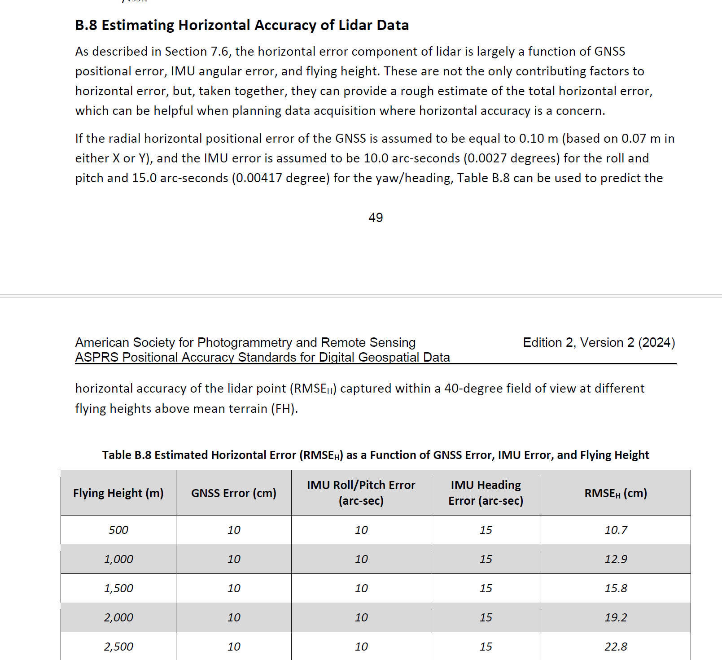
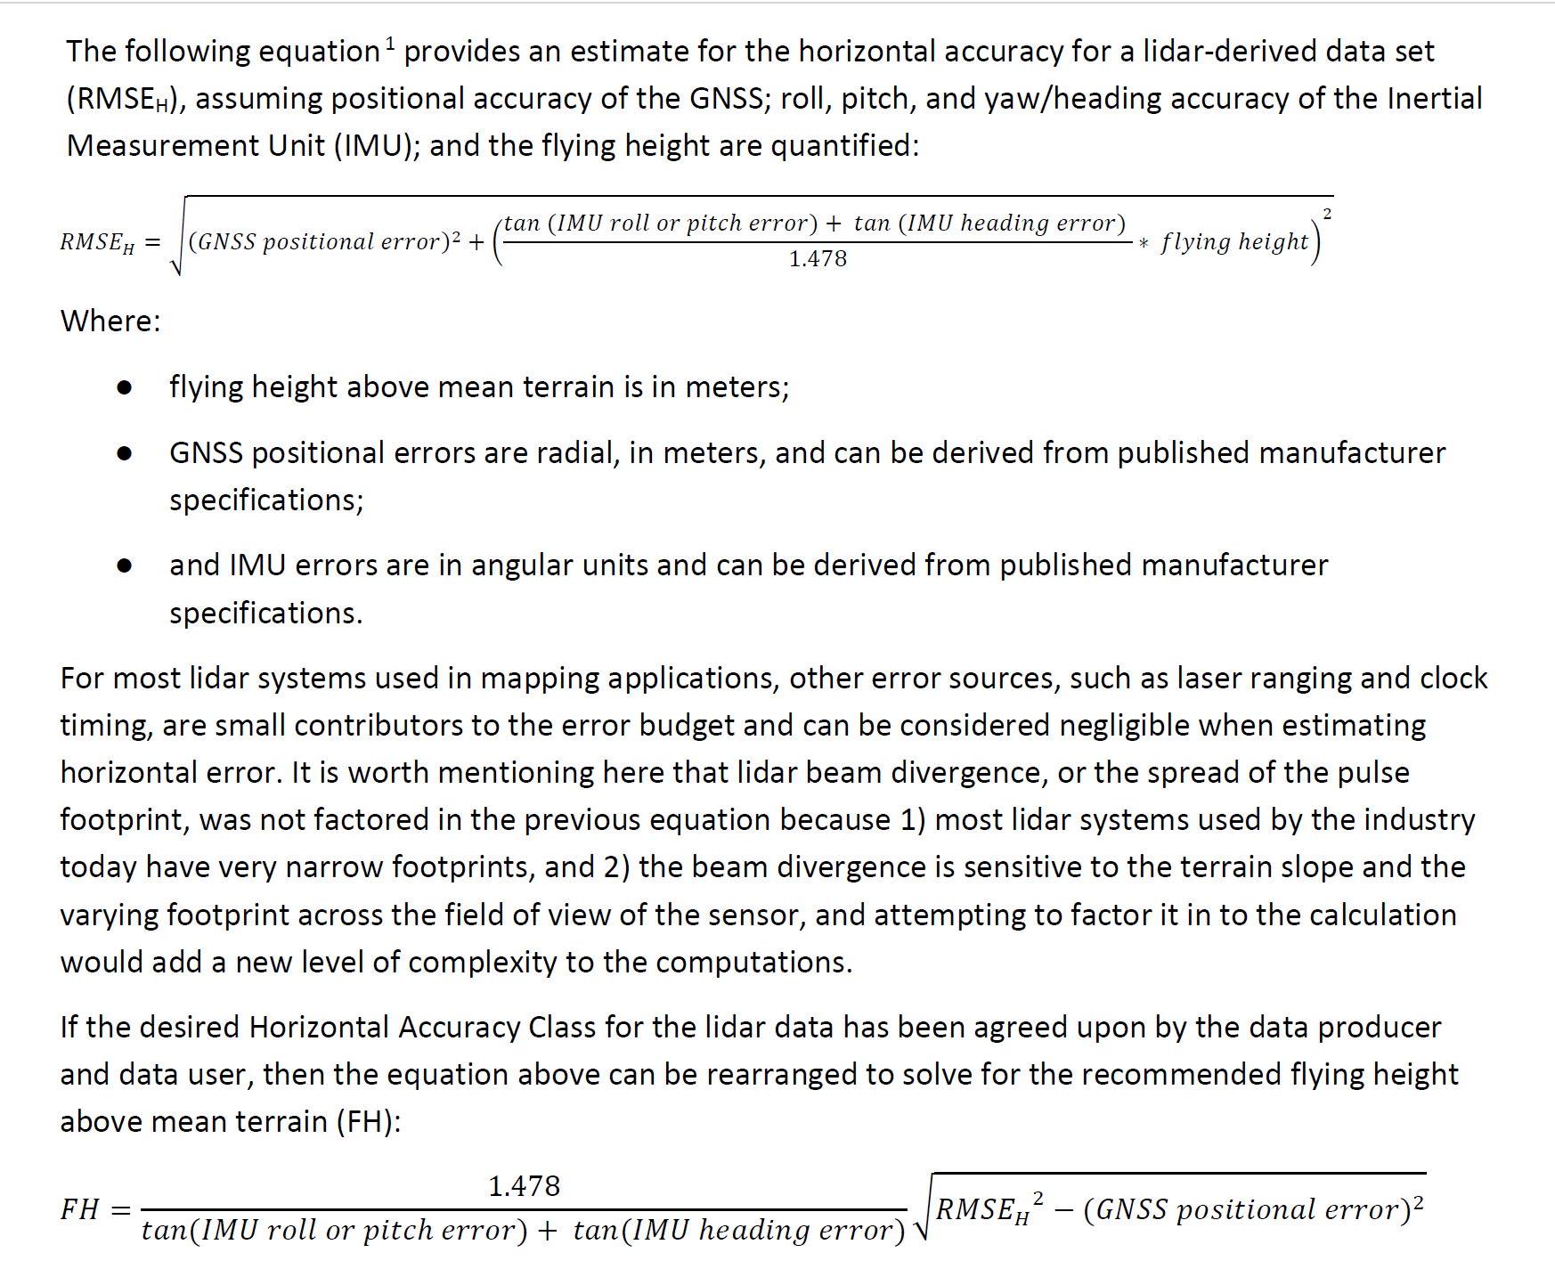
Estimated Horizontal Accuracy based on ASPRS Model
Error Component | Unit | Value-Comp1 | Value-ECHO | BenchMark ASPRS Example | Comment
GNSS | cm | 1.00 | 0.50 | 10.00
IMU Roll/Ptich | degree | 0.025 | 0.006 | 0.004
IMU Heading | degree | 0.050 | 0.030 | 0.003
AGL | meter | 100 | 100 | 500

Estimate Error-H
Error Component | Unit | Calculation | Calculation | Calculation | Comment
GNSS | cm2 | 1.00 | 0.25 | 100.00
IMU | n/a | 0.0009 | 0.0004 | 0.0001
AGL | cm2 | 10000 | 10000 | 50000
Calculation | n/a | 79.4384 | 18.3222 | 116.4535
RMSE-H (modeled) | cm | 8.91 | 4.28 | 10.79

Solve AGL with Given Error-H
 | Unit | Value | Value | Value | Comment
Error-H Target | cm | 5.0000 | 5.0000 | 10.7910
GNSS Component | cm2 | 1.0000 | 0.2500 | 100.0000
IMU Component | n/a | 0.0009 | 0.0004 | 0.0001
AGL | m | 55 | 117 | 500

Yaw: α
α
Pitch: β
Roll:γ
γ
β
(X1, Y1, Z1)
(X2, Y2, Z2)
(0,0,0)
dH
AGL
Scan Angle: S

 |  |  |  |  |  | X | Y | Z
 |  |  |  |  | Measured | X | Y | Z
 |  |  |  |  | Yaw Transformation

BaseOffset
a
ARP
APC

Base Antenna ARP (cm) | 200 | cm
Base Antenna APC (cm) | 15 | cm

Antenna Mount Tile Angle (degree) | 1 | degree

delta-Horizontal (cm) | 3.75 | cm
delta-Vertical (cm) | 0.03 | cm

RMSE
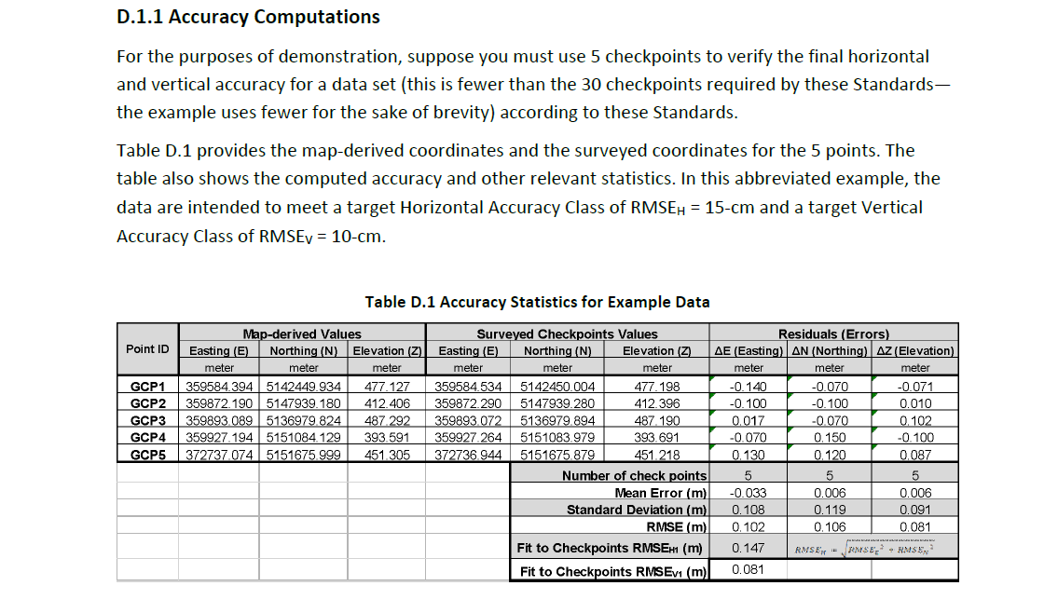
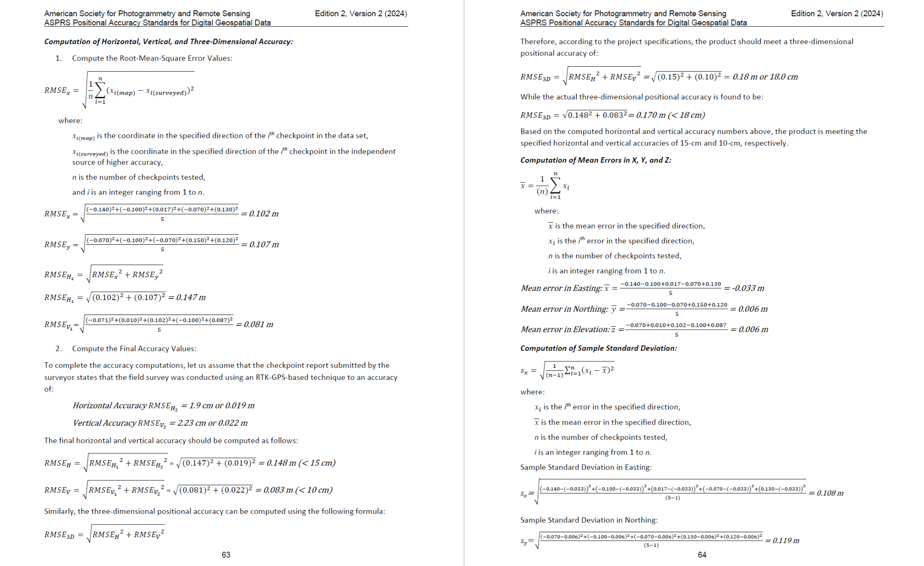
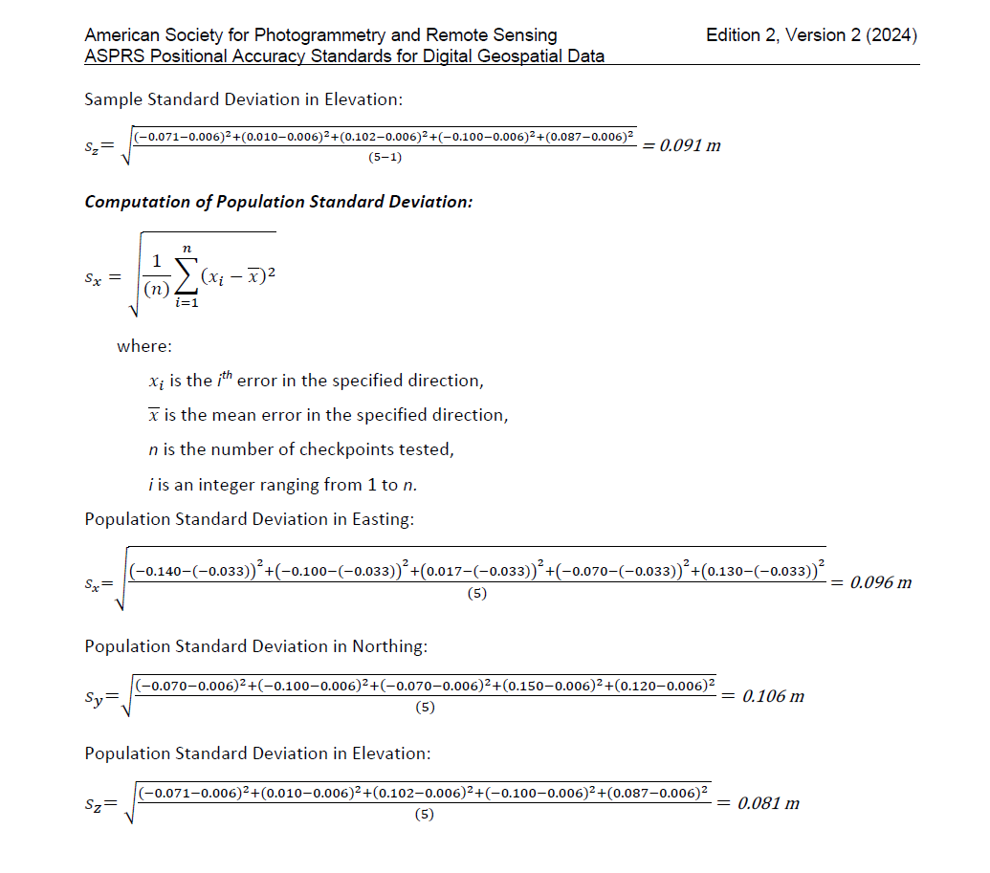
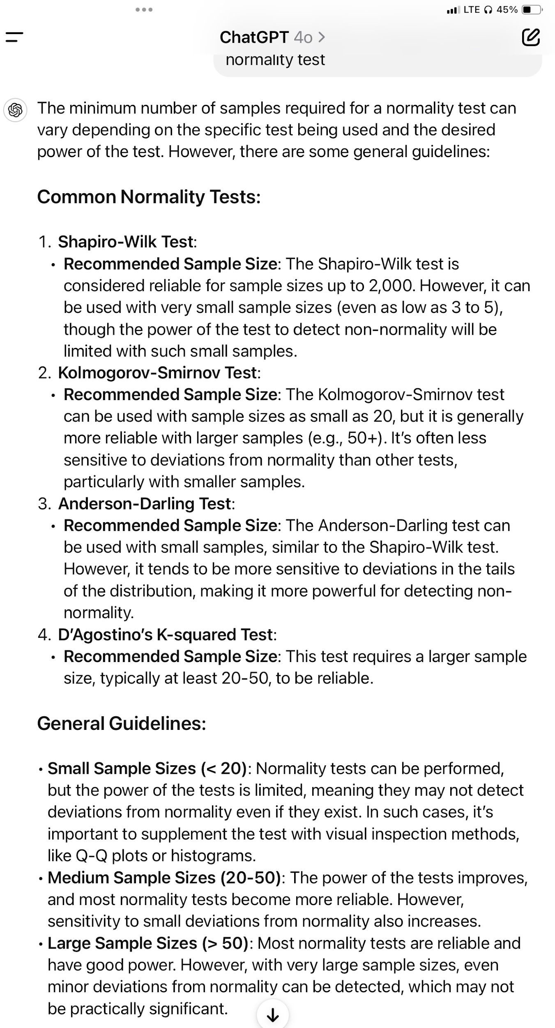
* User ONLY need to chage cell values highlighted in YELLOW.

RMSE calculation based on ASPRS Standards (v2024)
First Component of Positional Error
**ASPRS 2024 standards require 30 or more Checkpoints, otherwise as agreed between the data Producer and Customer, and properly documented and reported. RMSE of the Checkpts should also be reported and required to be <1/2 of the project target RMSE.

Unit | Ft
 | Map Value |  |  | Reference Value |  |  | Residuals Errors |  |  | Comment | Square Value of
Point ID | Easting (E) | Northing (N) | Elevation (Z) | Easting (E) | Northing (N) | Elevation (Z) | dE | dN | dZ |  | dE2 | dN2 | dZ2
P1 | 2394889.386 | 1956929.199 | 181.805 | 2394889.386 | 1956929.199 | 181.74 | 0.000 | 0.000 | 0.065 |  | 0.000 | 0.000 | 0.004
P2 | 2395004.988 | 1956894.497 | 182.456 | 2395004.988 | 1956894.497 | 182.412 | 0.000 | 0.000 | 0.044 |  | 0.000 | 0.000 | 0.002
P3 | 2394904.703 | 1957015.753 | 182.343 | 2394904.703 | 1957015.753 | 182.292 | 0.000 | 0.000 | 0.051 |  | 0.000 | 0.000 | 0.003
P4 | 2394950.019 | 1957146.806 | 182.527 | 2394950.019 | 1957146.806 | 182.615 | 0.000 | 0.000 | -0.088 |  | 0.000 | 0.000 | 0.008
P5 | 2395147.423 | 1957051.471 | 180.415 | 2395147.423 | 1957051.471 | 180.477 | 0.000 | 0.000 | -0.062 |  | 0.000 | 0.000 | 0.004
P6 | 2395281.866 | 1956906.585 | 181.064 | 2395281.866 | 1956906.585 | 181.061 | 0.000 | 0.000 | 0.003 |  | 0.000 | 0.000 | 0.000
P7 | 2395345.491 | 1956775.737 | 181.439 | 2395345.491 | 1956775.737 | 181.449 | 0.000 | 0.000 | -0.010 |  | 0.000 | 0.000 | 0.000

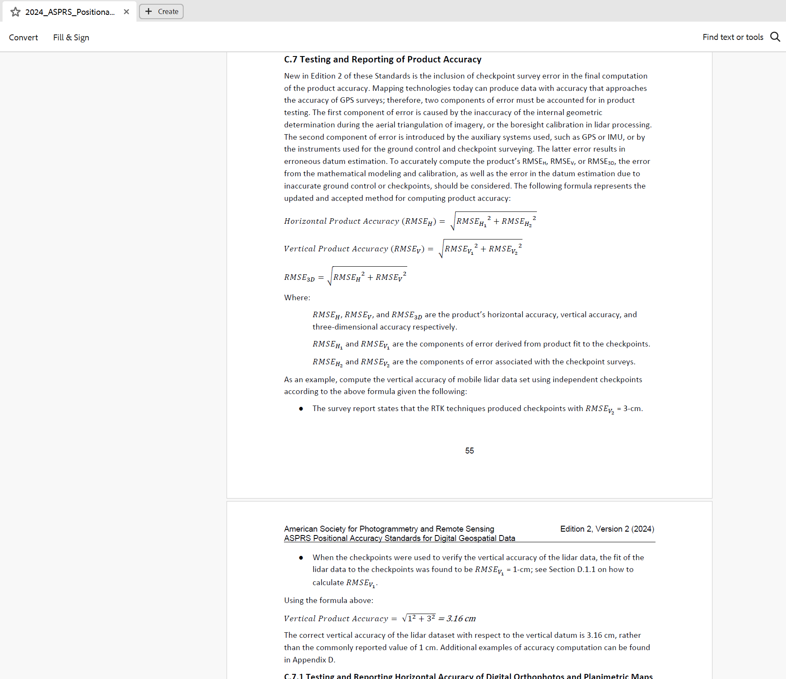
 |  |  |  | Number of Samples |  |  | 7 | 7 | 7
 |  |  |  | Min. Difference |  |  | 0.000 | 0.000 | -0.088
 |  |  |  | Max. Difference |  |  | 0.000 | 0.000 | 0.065
 |  |  |  | Mean |  |  | 0.000 | 0.000 | 0.000
 |  |  |  | Sample Std. Deviation |  |  | 0.000 | 0.000 | 0.058
 |  |  |  | RMSE |  |  | 0.000 | 0.000 | 0.054 |  | 0.000 | 0.000 | 0.003
 |  |  |  | RMSE-H1 |  |  | 0.000 | Ft |  |  | 0.000
 |  |  |  | RMSE-V1 |  |  | 0.054 | Ft |  |  | 0.003
 |  |  |  | RMSE-3D1 |  |  | 0.054 | Ft

Second Component of Positional Error
RMSE-H2 |  |  | 0.000 | Ft |  |  |  |  |  |  | 0.000
RMSE-V2 |  |  | 0.000 | Ft |  |  |  |  |  |  | 0.000
RMSE-3D1 |  |  | 0.000 | Ft

Overall Positional Accuracy
RMSE-H |  |  | 0.000 | Ft |  |  |  |  |  |  | 0.000
RMSE-V |  |  | 0.054 | Ft |  |  |  |  |  |  | 0.003
RMSE-3D |  |  | 0.054 | Ft

GSD
* User ONLY need to chage cell values highlighted in YELLOW.
* Only considering HW spec limitations

Estimate GSD by Sensor Spec and AGL

Sensor Width | 35.7 | mm | Sensor Width | 23.6 | mm
AGL | 100 | m | AGL | 100 | m
Focal Length | 18 | mm | Focal Length | 16 | mm
Image Width | 9504 | pixel | Image Width | 6000 | pixel

GSD | 2.09 | cm | GSD | 2.46 | cm

Estimate AGL by Sensor Spec and Target GSD

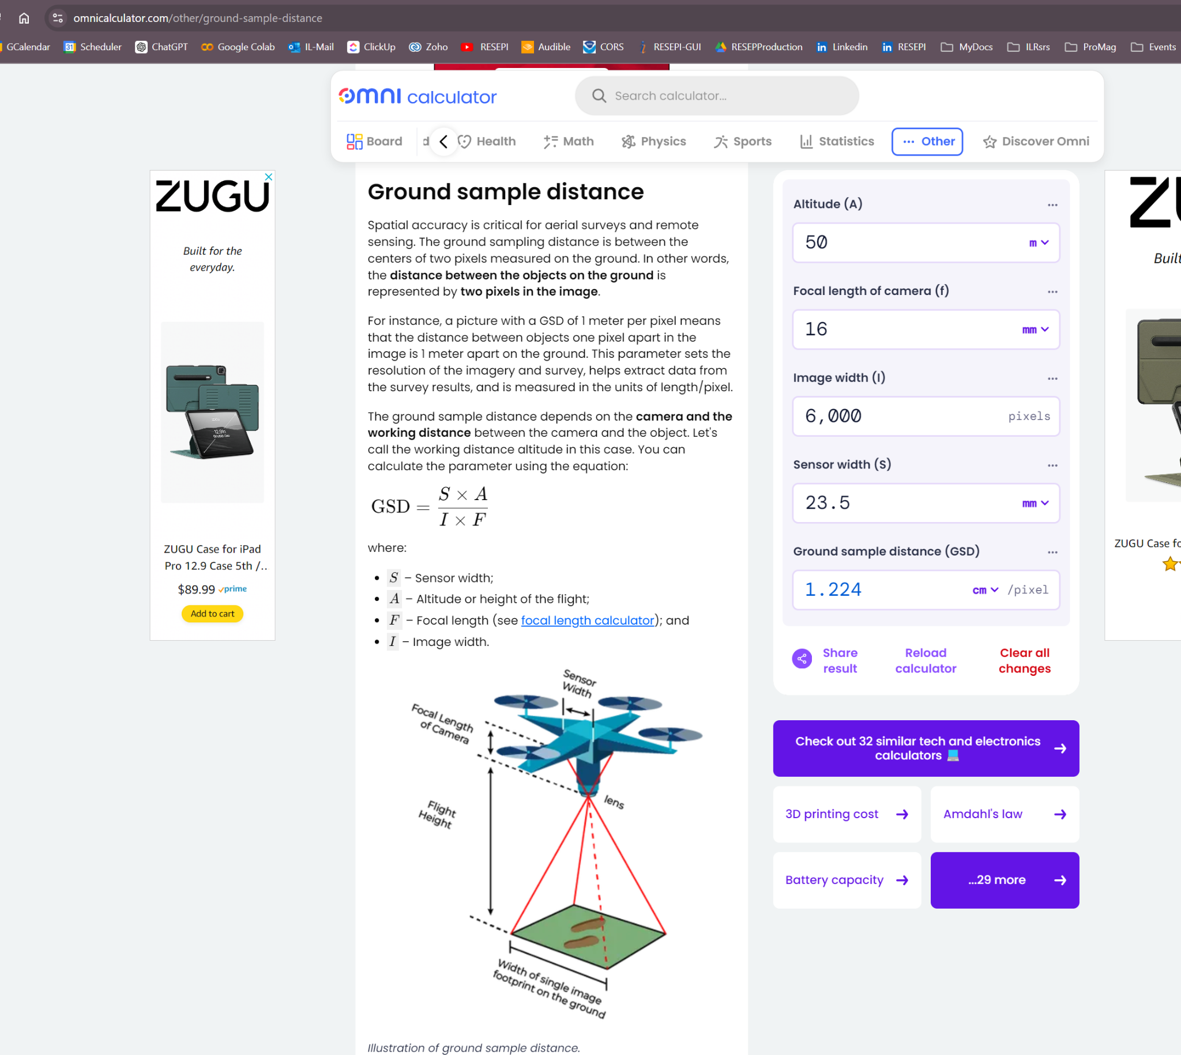
Target GSD | 1 | cm | Target GSD | 1 | cm
Sensor Width | 35.7 | mm | Sensor Width | 23.6 | mm
Focal Length | 18 | mm | Focal Length | 16 | mm
Image Width | 9504 | pixel | Image Width | 6000 | pixel

AGL | 47.92 | m | AGL | 40.68 | m

OverlapCam
OP
W
a
H
D
D
D = Speed * Camera shutter Interval
a = Camera Lens FOV
H = AGL
W = 2 * AGL * tan(a/2)
W + D = 2 * W - OP * W
OP = (W - D) / W
OP = 1 - (Speed*Shutter Interval) / (2*AGL*tan(a/2))
Forward/Frontal Overlap
Shutter interval (sec) | 2
AGL (m) | 100
Camera FOV (degree) | 60

Solve Speed by Overlap
Overlap | 0.8
Speed (m/s) | 11.5

